products.csv
Images | Product Name | Link (if needed) | Quantity | Price Per Piece | Total
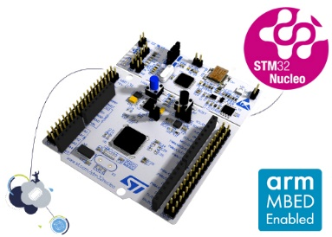 | STM32F446RE Nucleo Dev Board | https://www.st.com/en/evaluation-tools/nucleo-f446re.html | 15
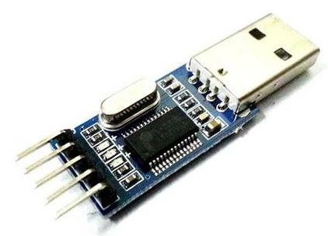 | UART to USB Converter (TTL) |  | 15
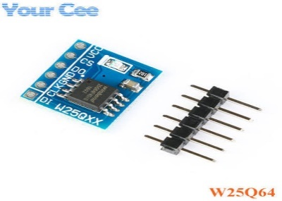 | winbond spi flash w25q64 |  | 15
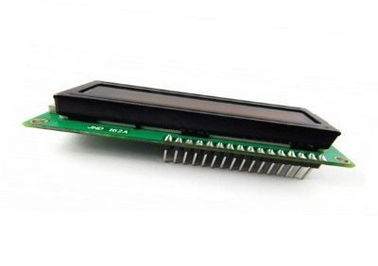 | 16x2 LCD Display (with header) | https://www.robodocbd.com/Product/detail/LCD-Display--16-x-2--with-header | 20
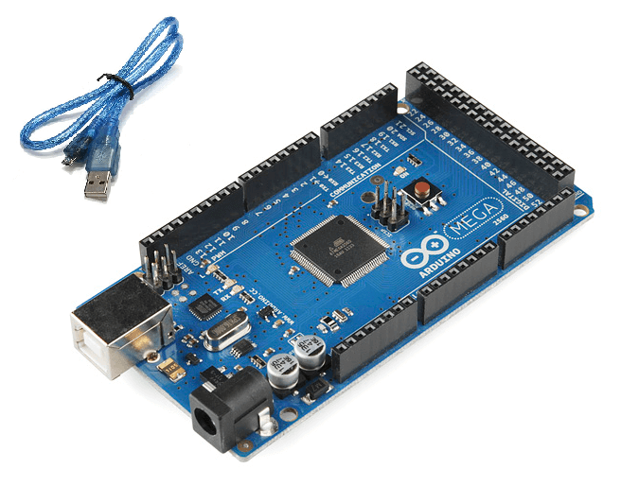 | Arduino Mega Rev3 | https://www.robodocbd.com/Product/detail/Arduino-Mega-2560-R3 | 20
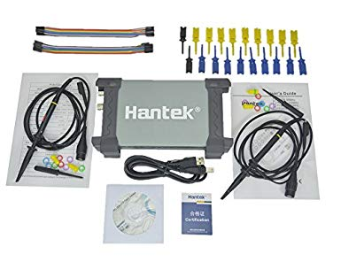 | Hantek 6022bl | https://www.amazon.com/Hantek-Portable-Oscilloscope-Analyzer-Diagnostic/dp/B01N74XEAN/ref=sr_1_1_sspa?ie=UTF8&qid=1549314869&sr=8-1-spons&keywords=hantek+6022bl&psc=1 | 10
 |  |  |  | Total | 0

